Sheet1
 |  | Document No. | Issue No. | Issue Date |  | Review and Replace Date |  | Authorised By
 |  | GFF228MC | 3 | 23.09.2020 |  | 05.07.2021 |  | Magda Shah
 |  | Document Title | CHICKEN TIKKA PAKORA WITH MINT RAITA DIP 180g
Document amendments reason for change |  | Change of mint raita from Lion to Piquant |  |  | Page 1 of 1 | Previous Issue Date | 22.02.2021 | Uncontrolled copy unless signed original

CCTPKB-1R6TEB | BOOTHS AYR |  | CHICKEN TIKKA PAKORA WITH MINT RAITA DIP 180g
STEP 1 |  |  |  |  | STEP 2
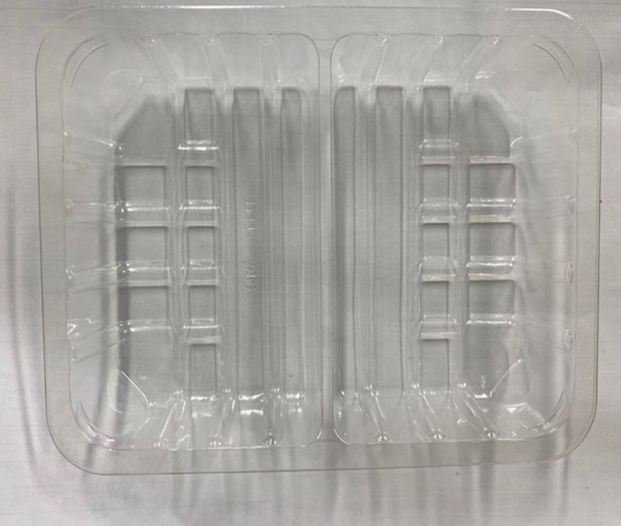

Tray: SK4-SPLIT CLEAR (PKESS001-06) |  |  |  |  | Chicken Tikka Pakora (GFF328R): 140g Minimum 5 pieces
Film: ME410AFV2, 410mm wide x 1000m linear PET Antifog WELD seal (PKPRO001-12)
STEP 3 |  |  |  |  | STEP 4
FROZEN
1 YEAR
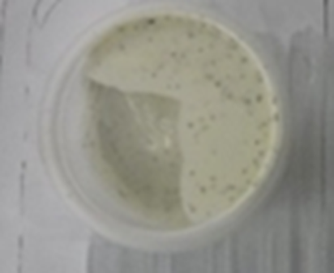 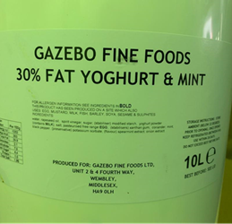 |  |  |  |  | 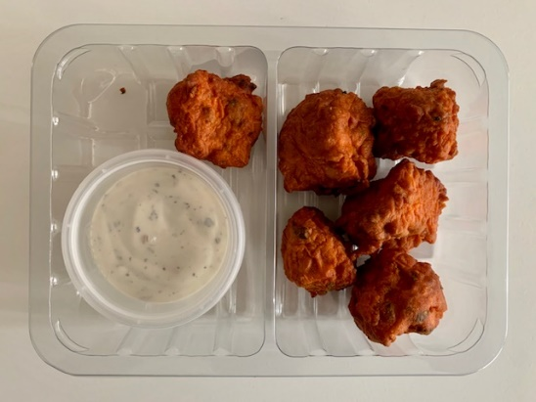

30% Fat Yoghurt & Mint (Piquant) (RMPIQ001-01): 30g |  |  |  |  | TOTAL WEIGHT: 180g
Satco 2oz Pots with Lids (PKJEN001-03)
ALLERGY ALERT: Egg, Milk

